Sheet2
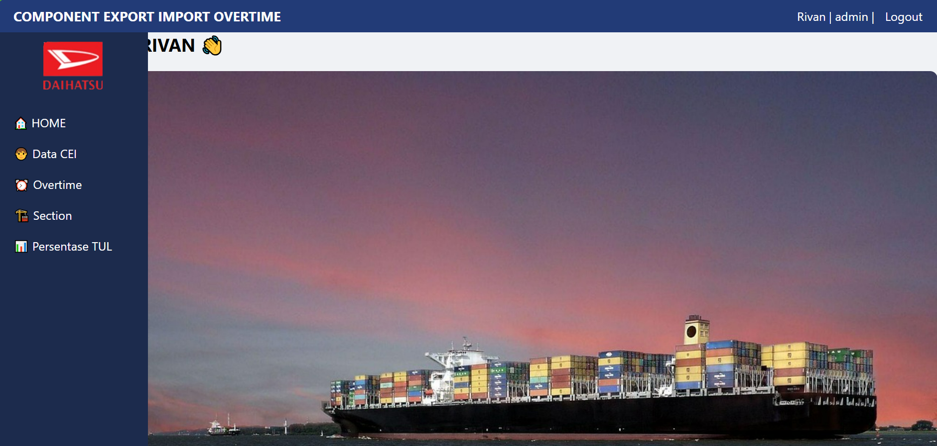
COMPONENT EXPORT IMPORT OVERTIME
HOME
 | HOME | menampilkan lemburan teakhir
 | Data Man Power
 | Overtime
Data Man Power
 | Section
 | Persentase TUL
Overtime
Section

Persentase TUL

css.Style

body {
margin: 0;
font-family: 'Segoe UI', sans-serif;
background-color: #f0f2f5;
}

imroved box CEI
.topbar {
background-color: #223b77;
color: white;
padding: 10px 20px;
display: flex;
justify-content: space-between;
align-items: center;
}

.topbar .title {
font-size: 18px;
font-weight: bold;
}

.topbar a {
color: white;
text-decoration: none;
margin-left: 10px;
}

.sidebar {
width: 200px;
background-color: #1c2b4d;
color: white;
setting high Menu
position: fixed;
height: 100vh;
padding-top: 9px;
}

.sidebar .logo {
width: 85px;
display: block;
margin: 0 auto 20px auto;
}

.sidebar ul {
list-style: none;
padding: 0;
}

.sidebar ul li a {
display: block;
color: white;
text-decoration: none;
padding: 10px 20px;
transition: background 0.2s;
}

.sidebar ul li a:hover {
background-color: #374a78;
}

..main-content {
margin-left: 200px;
padding: 40px 30px 20px 30px; /* ubah dari sebelumnya, biar naik */
}

.main-content h2 {
margin-top: 0; /* hilangkan spasi atas */
margin-bottom: 10px;
}

.main-content img {
margin-top: 10px;
border-radius: 10px;
}

